Visualizations
x | f
27.5 | 10
43.5 | 4
59.5 | 11
75.5 | 10
91.5 | 9
107.5 | 16

CUL | F
35.5 | 10
51.5 | 14
67.5 | 25
83.5 | 35
99.5 | 44
115.5 | 60

Class | Angle
20-35 | 10
36-51 | 4
52-67 | 11
68-83 | 10
84-99 | 9
100-115 | 16

Class | f
20-35 | 60
36-51 | 24
52-67 | 66
68-83 | 60
84-99 | 54
100-115 | 96

Cor-Reg
 | x | y | x^2 | y^2 | x*y |  | R1 | R2 | d | d^2
 | 93 | 71 | 8649 | 5041 | 6603 |  | 3 | 2 | 1 | 1
 | 94 | 86 | 8836 | 7396 | 8084 |  | 4 | 5 | -1 | 1
 | 99 | 60 | 9801 | 3600 | 5940 |  | 1 | 3 | -2 | 4
N=8 | 89 | 91 | 7921 | 8281 | 8099 |  | 2 | 1 | 1 | 1
 | 56 | 99 | 3136 | 9801 | 5544 |  | 5 | 4 | 1 | 1
 | 88 | 83 | 7744 | 6889 | 7304
 | 88 | 62 | 7744 | 3844 | 5456 |  |  |  | SUM | 8
 | 67 | 55 | 4489 | 3025 | 3685
SUM | 674 | 607 | 58320 | 47877 | 50715 |  |  |  | r_rank | 0.6

 |  |  |  |  |  |  |  |  | Strong (high-degree) positive correlation

r | -0.25402029178 |  | Weak (low-degree) negative correlation

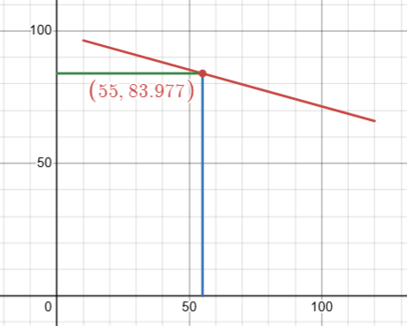
b_y/x | -0.27661999349 |  | x has domianace over y
b_x/y | -0.2332669733

AM(x) | 84.25
AM(y) | 75.875

Regression line of y on x

y - 75.875 = - 0.2766(x- 84.25)
Or, y = - 0.2766x + 99.19 |  |  |  |  |  | y(55) = 84 (approx)

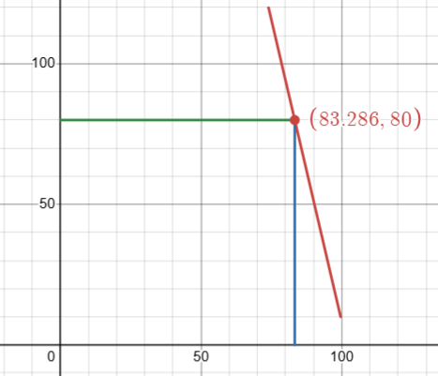
Regression line of y on x

x - 84.25 = - 0.2333(y - 75.875)
Or, x = - 0.2333y + 101.95 |  |  |  |  |  | x(80) = 83 (approx)

